Hoja1
Etiquetas de fila | Agregación & Granularidad de datos en una tabla dinámica de Excel (Ejemplo sencillo)
2012
2013 | Si se percata, al costado izquierdo tenemos una columna con fechas; nuestro interés es mostrar, por medio de esas fechas, cómo podemos agregar & granular nuestros datos en una tabla dinámica. Es ideal que ambos procesos se hagan sobre campos de tipo 'categórico'; pues, generalmente, pueden tanto subir como bajar su nivel de granularidad. Las fechas, si bien no son exactamente campos categóricos, son campos de tipo 'temporal' y también pueden agregarse; incluso más en la medida que el marco temporal, de las fechas, tienda a ser inferior. Ahora mismo nuestra columna de fechas conserva un marco temporal diario; es decir, las fechas están siendo registradas en términos de días. Nuestro interes es agregar los registros de fechas hasta un marco temporal anual; es decir, que se agreguen (agrupen) todos los días en función al año al que correspondan, que se reflejen los datos de las fechas ya no en términos de días, sino, en términos de años: esto es un ejemplo perfecto de Agregación o Agrupacion de datos, pues, estamos agregando o agrupando todos los datos de los días a sus años correspondientes. Veamos cómo se hace. Haga clic derecho sobre cualquier celda de su campo fechas & verá un menu despegable con varias opciones. Luego, hace clic sobre la opción 'Agrupar y aplicar contorno' y, posteriomente, sobre 'Agrupar... '. Tal que así:
2014
2015
2016
Total general

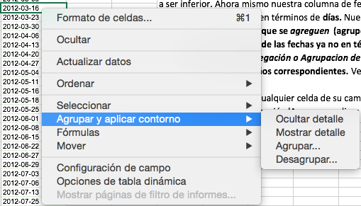

 | Posteriormente verá un pop-up que le preguntará cuál sería el nivel de Agregación que desea ver en sus datos. Usted hará clic en 'Años' y listo! Tendríamos nuestras fechas Agregadas o agrupadas en Años. Observe.

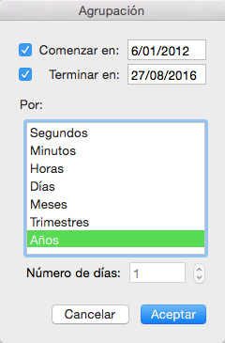

 |  | Hemos hablado de Agregación porque queremos agrupar fechas en un marco temporal superior; en el caso contrario, si quisieramos categorizar o dividir las fechas en marcos temporales inferiores; es decir, por ejemplo, dividir la información agrupada en términos de años a días nuevamente, estaríamos hablando de nivel de Granularidad. Sin embargo, eso se hace desde la opción 'Desagrupar... '. Desagrupar lo que hará es convertir sus datos, nuevamente, a su nivel de granularidad original. El uso de este recurso es ideal cuando sus datos ya vienen categorizados o, en otras palabras, pueden Agregarse.Pruebe esto por su cuenta!

